Parts list
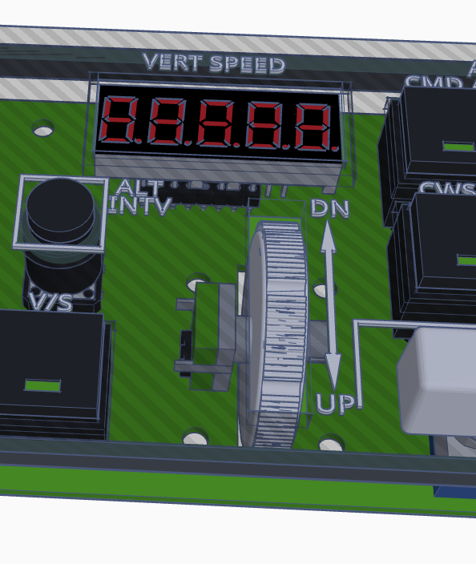
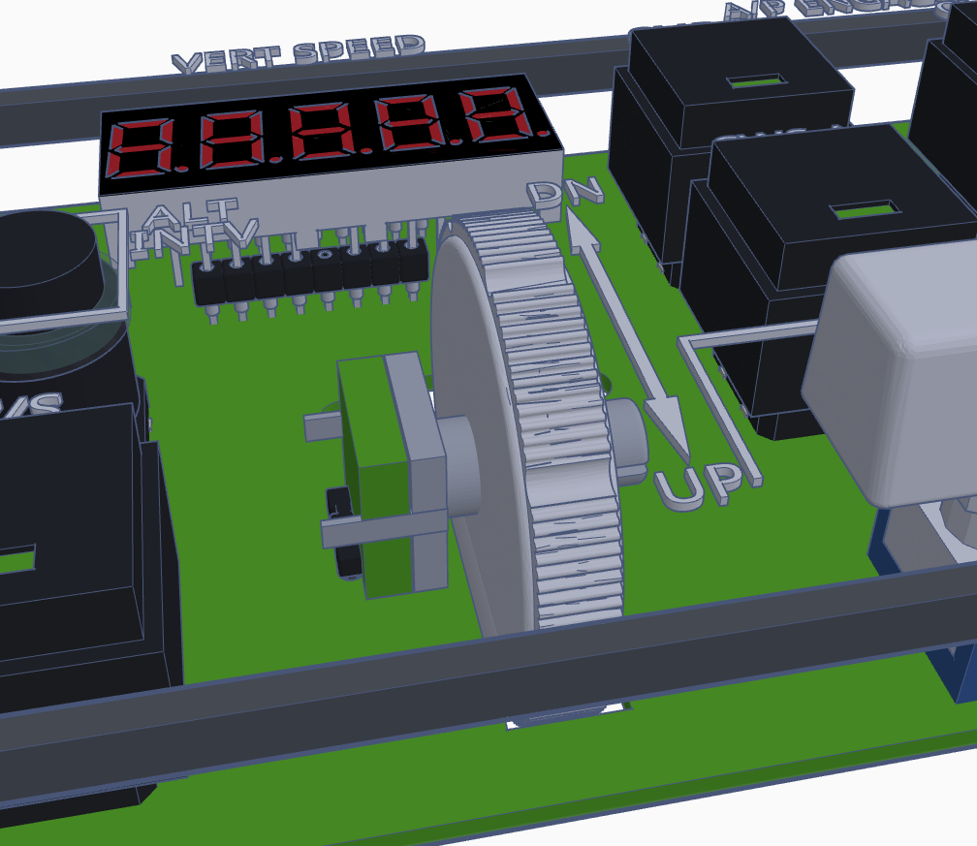
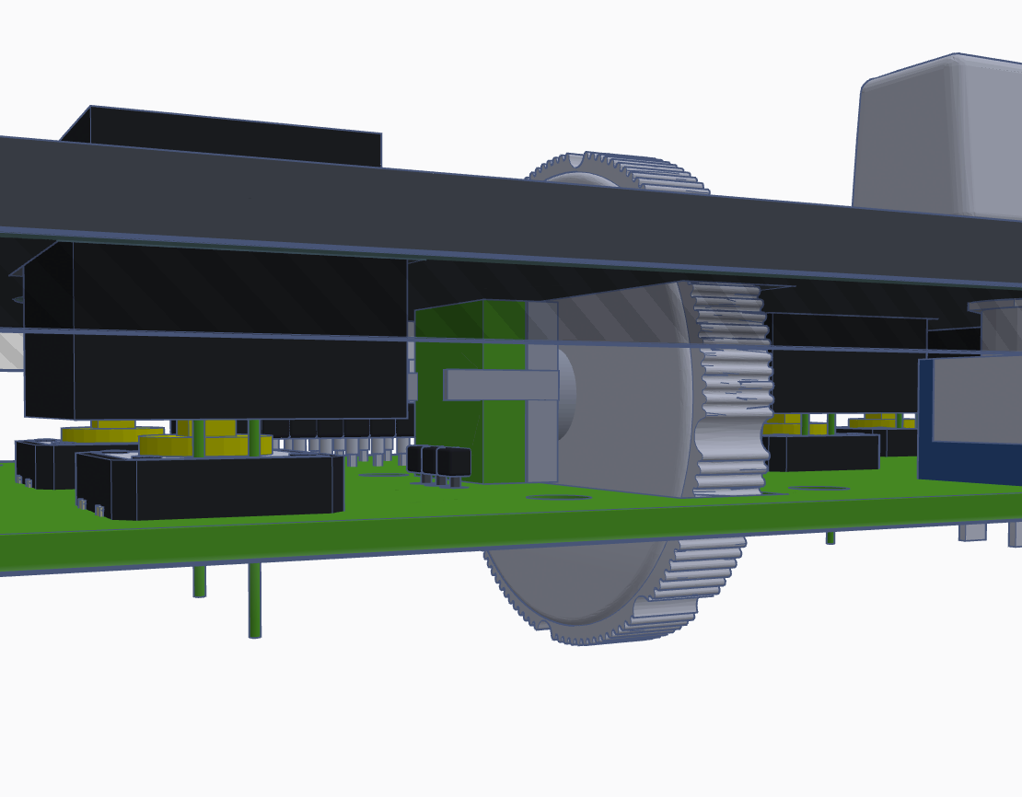
Name | PCS | Link
220 Ohm | 22 | Ebay Link
10k | 6 | Ebay Link
Max7219 | 6 | Ebay Link
Max7219 Sockets | 6 | Ebay Link
3 Digit Display CC | 4 | Ebay Link
5 Digit Display CC | 2 | Aliexpress Link
Led Diodes | 8 | Ebay Link
Push Buttons with Leds | 14 | Ebay Link
Push Buttons | 3 | Ebay Link
On/Off Switches | 5 | Ebay Link
Rotary Encoders | 7 | Ebay Link
25V 10uF Capacitors | 6 | Ebay Link
50V 0.1uF Capacitors | 6 | Ebay Link
74HC595 | 2 | Aliexpress Link
Pin headers |  | Aliexpress Link
V/S encoder | 1 | Aliexpress Link

To install the vertical speed encoder, you just bend the pins of the rotary encoder and solder it to the corresponding holes. The space between the PCB and the faceplate is 12.9mm so it is a perfect fit to hold the encoder in place. You need to insert the rotating wheel before soldering the encoder.

