Sheet1
No affiliation with the links below. Lins active as of today 02.01.2024

Components | Qty.
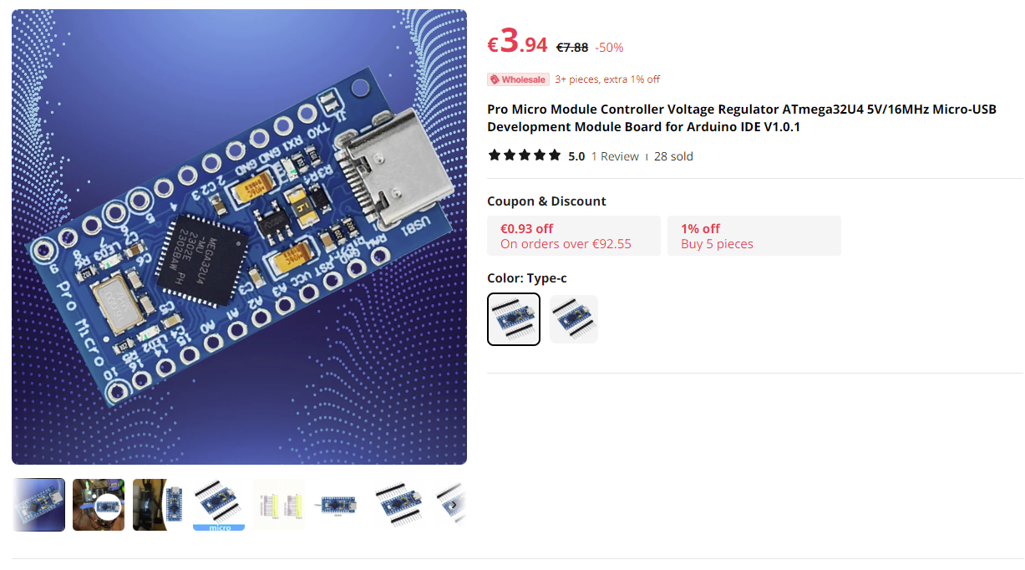
GPS V3.xx

Arduino Mega 2560 Pro | 1
Tactile switches 12mmx12mm (or you can use tactile switches with integrated LED's) | 9
Power jack | 1
On/Off mini slide switch | 1
1/4W 220 Ohm Resistors | 35
1/4W 10 Kohm Resistors | 12
74HC595 shift registers | 3
10uF electrolytic capacitors | 4
100 nF ceramic capacitors | 4
Max7219 chips | 4
5mm white LED diodes | 33
2x5x7mm square green LED diodes | 6
0.36 inch 3 digit 7 segment displays (white) - common cathode | 2
0.36 inch 5 digit 7 segment displays (white) - common cathode | 2
EC11 rotary encoders with switch (preferably 20mm to 25mm long) | 4
rotary switch | 1
9mm spacers | 4
round female header pins for 7 segment displays (optional) | 2
24 pin narrow dip sockets for max7219 chips (optional) | 4
40 pin double row 90 degree angle Pin Header Connector | 2
16 pin dip sockets for shift registers (optional) | 3
Single row male/female 40 pin headers | 4
6mmx6mmx5mm micro switches | 4

