Sheet1
No affiliation with the links below. Lins active as of today 02.01.2024

Components | Qty.
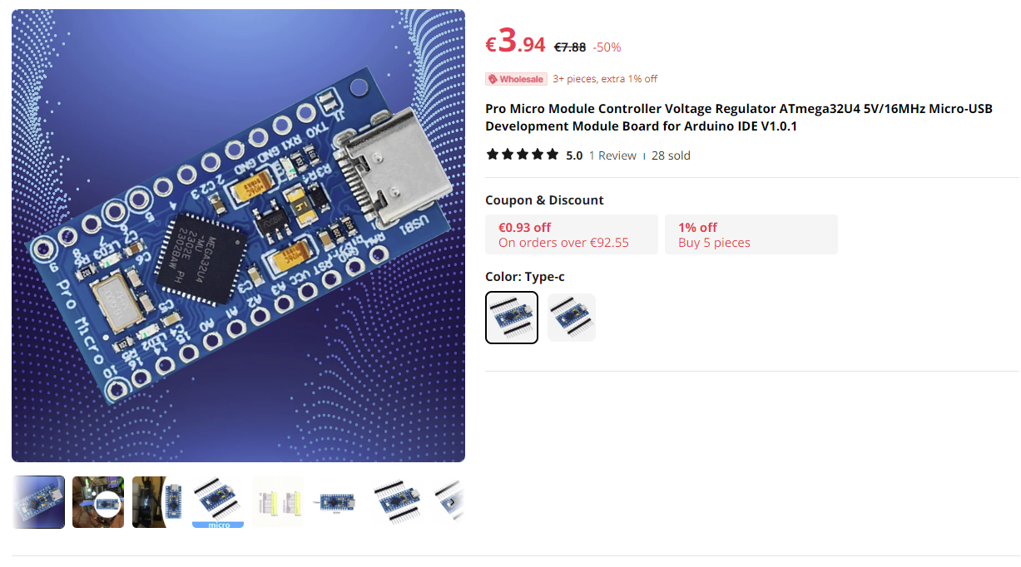
GPS V3.xx

Arduino Pro Micro | 1
Tactile switches 12mmx12mm (or you can use tactile switches with integrated LED's) | 12
Tactile switches 6mmx6mm | 2
Dual encoders EC11EBB24C03 | 2
Potentiometers | 2
Power jack | 1
On/Off mini slide switch | 1
1/4W 220 Ohm Resistors | 14
1/4W 10 Kohm Resistors | 24
74hc165 Chips | 2
25V 10uF Capacitor | 2
LED's (optional for backlighting) | 14
5 Inch ZJ050NA-08C 640*480 TFT LCD Screen Display Monitor With HDMI+VGA+2AV | 1

