Sheet1
No affiliation with the links below. Lins active as of today 09.12.2023
For the 7 segments, I have contacted the seller from the link below and asked for an offer for the displays below

Components | Qty.

Radiostack V3.xx

Arduino Mega 2560 Pro | 1
0.36 inches 3 digit 7 segment display red - Common Cathod | 3
0.36 inches 4 digit 7 segment display red - Common Cathod | 6
0.36 inches 5 digit 7 segment display red - Common Cathod | 9
0.36 inches 6 digit 7 segment display red - Common Cathod | 1
2 digit 14 segment display red - Common Cathod | 2
Female socket pin headers 40 pins | 10
Max7219 chip dip version | 18
IC sockets dip 24 pin narrow | 18
Tactile switches 12mmx12mm | 35
5mm LEDs (color depends on you) | 19
Dual encoders EC11EBB24C03 | 6
On/Off mini slide switch | 4
Rotary switch (1 pole 8) | 1
Power jack | 2
25V 10uF Capacitor | 18
50V 0.1uF Ceramic Capacitors | 18
1/4W 220 Ohm Resistors | 19
1/4W 10 Kohm Resistors | 86
Rotary encoders (8 pcs for V3.1, 4 pcs for V3.2) | 8
Pin headers | 20
74HC595 Chips | 3
74hc165 Chips | 6
DIP16 IC Sockets | 9
Potentiometers (vor V3.2) | 2

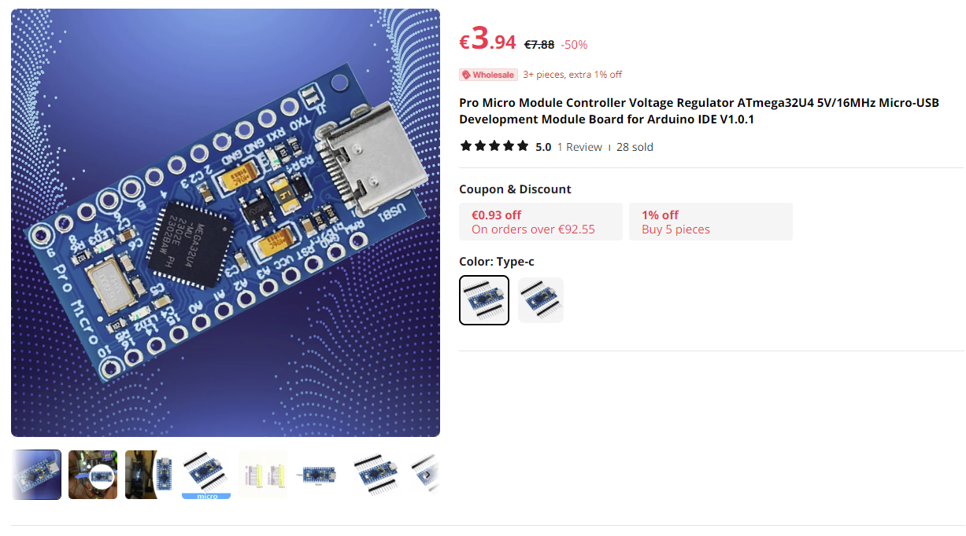
GPS V3.xx

Arduino Pro Micro | 1
Tactile switches 12mmx12mm | 12
Tactile switches 6mmx6mm | 2
Dual encoders EC11EBB24C03 | 2
Rotary encoders (for V3.1) | 2
Power jack | 1
On/Off mini slide switch | 1
1/4W 220 Ohm Resistors | 14
1/4W 10 Kohm Resistors | 24
74hc165 Chips | 2
25V 10uF Capacitor | 2
Potentiometers (for V3.2) | 2
5 Inch ZJ050NA-08C 640*480 TFT LCD Screen Display Monitor With HDMI+VGA+2AV | 1
LED's (optional for backlighting) | 14

