Sheet1
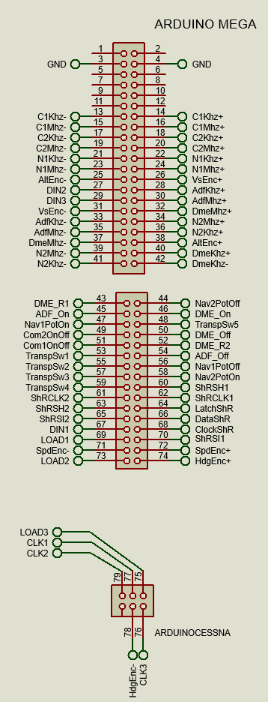
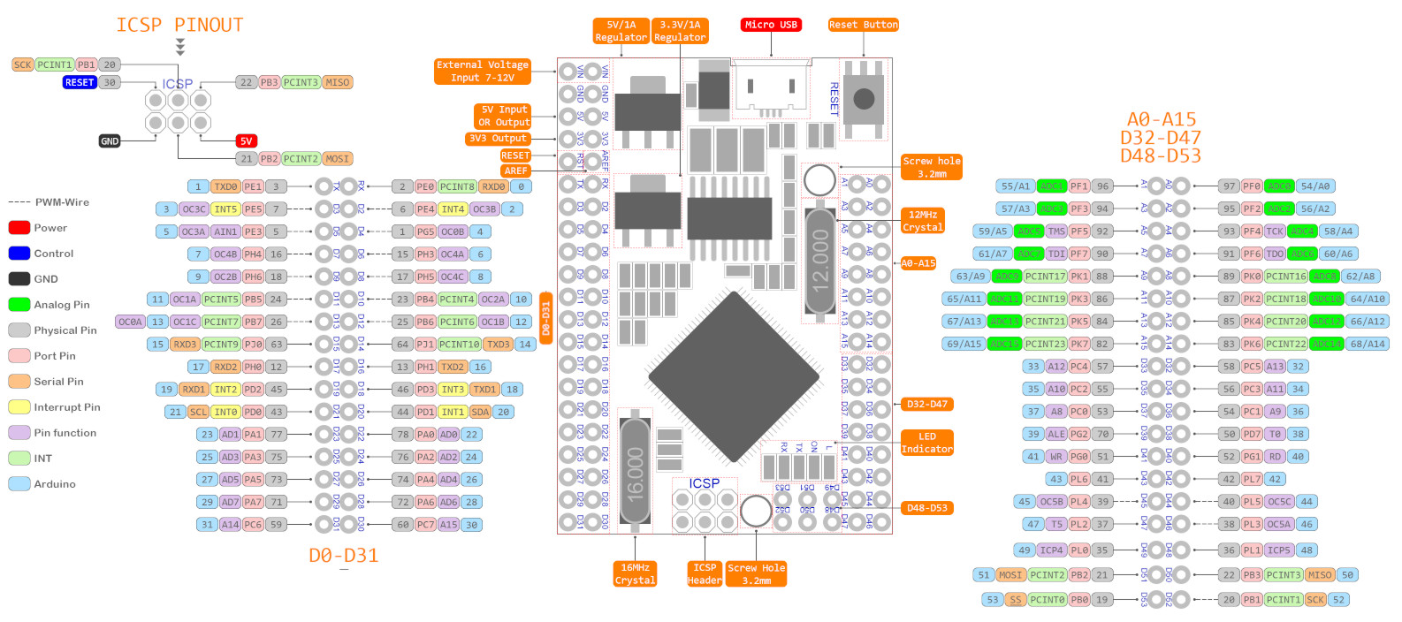

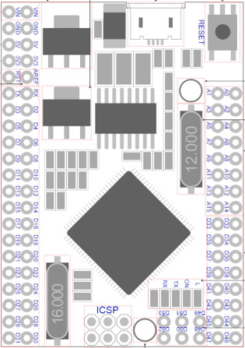

GND |  |  |  |  | GND

 |  |  |  |  |  |  |  | Nav2potOff | <--- | A1 | A0 | ---> | DME_R1
C1Khz+ | <--- | D3 | D2 | ---> | C1Khz- |  |  | DME_On | <--- | A3 | A2 | ---> | ADF_On
C1Mhz+ | <--- | D5 | D4 | ---> | C1Mhz- |  |  | TranspSw5 | <--- | A5 | A4 | ---> | Nav1PotOn
C2Khz+ | <--- | D7 | D6 | ---> | C2Khz- |  |  | DME_Off | <--- | A7 | A6 | ---> | Com2OnOff
C2Mhz+ | <--- | D9 | D8 | ---> | C2Mhz- |  |  | DME_R2 | <--- | A9 | A8 | ---> | Com1OnOff
N1Khz+ | <--- | D11 | D10 | ---> | N1Khz- |  |  | ADF_Off | <--- | A11 | A10 | ---> | TranspSw1
N1Mhz+ | <--- | D13 | D12 | ---> | N1Mhz- |  |  | Nav1PotOff | <--- | A13 | A12 | ---> | TranspSw2
VsEnc+ | <--- | D15 | D14 | ---> | AltEnc- |  |  | Nav2PotOn | <--- | A15 | A14 | ---> | TranspSw3
AdfKhz+ | <--- | D17 | D16 | ---> | DIN2 |  |  | ShRSH1 | <--- | D33 | D32 | ---> | TranspSw4
AdfMhz+ | <--- | D19 | D18 | ---> | DIN3 |  |  | ShRCLK1 | <--- | D35 | D34 | ---> | ShRCLK2
DmeMhz+ | <--- | D21 | D20 | ---> | VsEnc- |  |  | LatchShR | <--- | D37 | D36 | ---> | ShRSH2
N2Mhz+ | <--- | D23 | D22 | ---> | AdfKhz- |  |  | DataShR | <--- | D39 | D38 | ---> | ShRSI2
N2Khz+ | <--- | D25 | D24 | ---> | AdfMhz- |  |  | ClockShR | <--- | D41 | D40 | ---> | DIN1
AltEnc+ | <--- | D27 | D26 | ---> | DmeMhz- |  |  | ShRSI1 | <--- | D43 | D42 | ---> | LOAD1
DmeKhz+ | <--- | D29 | D28 | ---> | N2Mhz- |  |  | SpdEnc+ | <--- | D45 | D44 | ---> | SpdEnc-
DmeKhz- | <--- | D31 | D30 | ---> | N2Khz- |  |  | HdgEnc+ | <--- | D47 | D46 | ---> | LOAD2

 |  |  |  |  |  |  |  | D48 | LOAD3
 |  |  |  |  |  |  |  | D50 | CLK3
 |  |  |  |  |  |  |  | D51 | CLK1
 |  |  |  |  |  |  |  | D52 | HdgEnc-
 |  |  |  |  |  |  |  | D53 | CLK2

74HC595 Shift register outputs

Latch Shift Register Pin |  | D37
Clock Shift Register Pin |  | D41
Data Shift Register Pin |  | D39

Output 0 |  | FPA LED
Output 1 |  | TRK1 LED
Output 2 |  | HDG1 LED
Output 3 |  | LAT LED
Output 4 |  | TRK LED
Output 5 |  | HDG LED
Output 6 |  | MACH LED
Output 7 |  | SPD LED
Output 8 |  | APPR LED
Output 9 |  | DOT3 LED
Output 10 |  | DOT2 LED
Output 11 |  | DOT1 LED
Output 12 |  | FPA1 LED
Output 13 |  | VS1 LED
Output 14 |  | ALT LED
Output 15 |  | VS LED
Output 16 |  | EXPED LED
Output 17 |  | A/T LED
Output 18 |  | AP2 LED
Output 19 |  | AP1 LED
Output 20 |  | LOC LED

74HC165 Input Shift register pins |  |  |  |  |  | 74HC165 Input Shift register pins

ShRSI1 |  | D43 |  |  |  | ShRSI2 | D38
ShRSH1 |  | D33 |  |  |  | ShRSH2 | D36
ShRCLK1 |  | D35 |  |  |  | ShRCLK2 | D34

Input 0 |  | BtnTRVFR |  | 74HC165 - 1 |  | Input 0 | Com1EncPush | 74HC165 - 5
Input 1 |  | BtnAP |  |  |  | Input 1 | Nav2PotSw
Input 2 |  | BtnSPD |  |  |  | Input 2 | Nav1PotSw
Input 3 |  | BtnHDG |  |  |  | Input 3 | Com2PotSw
Input 4 |  | BtnALT |  |  |  | Input 4 | Com1PotSw
Input 5 |  | BtnNAV |  |  |  | Input 5 | BtnCOM1ASW
Input 6 |  | BtnAPR |  |  |  | Input 6 | BtnCOM2ASW
Input 7 |  | BtnREV |  |  |  | Input 7 | BtnBOTHASW
Input 8 |  | BtnTR1 |  | 74HC165 - 2 |  | Input 8 | AltEncSw | 74HC165 - 6
Input 9 |  | BtnTR2 |  |  |  | Input 9 | HdgEncSw
Input 10 |  | BtnTR3 |  |  |  | Input 10 | SpdEncSw
Input 11 |  | BtnTR4 |  |  |  | Input 11 | DmeEncPush
Input 12 |  | BtnTR5 |  |  |  | Input 12 | AdfEncPush
Input 13 |  | BtnTR6 |  |  |  | Input 13 | Nav2EncPush
Input 14 |  | BtnTr7 |  |  |  | Input 14 | Nav1EncPush
Input 15 |  | BtnTRCLR |  |  |  | Input 15 | Com2EncPush
Input 16 |  | BtnNAV2SW |  | 74HC165 - 3
Input 17 |  | BtnADF
Input 18 |  | BtnBFO
Input 19 |  | BtnFRQ
Input 20 |  | BtnFRQET
Input 21 |  | BtnSETRS
Input 22 |  | BtnTRIDENT
Input 23 |  | BtnTR0
Input 24 |  | BtnNAV1ASW |  | 74HC165 - 4
Input 25 |  | BtnNAV2ASW
Input 26 |  | BtnMKRASW
Input 27 |  | BtnDMEASW
Input 28 |  | BtnADFASW
Input 29 |  | BtnCOM1SW
Input 30 |  | BtnNAV1SW
Input 31 |  | BtnCOM2SW

