Sheet1
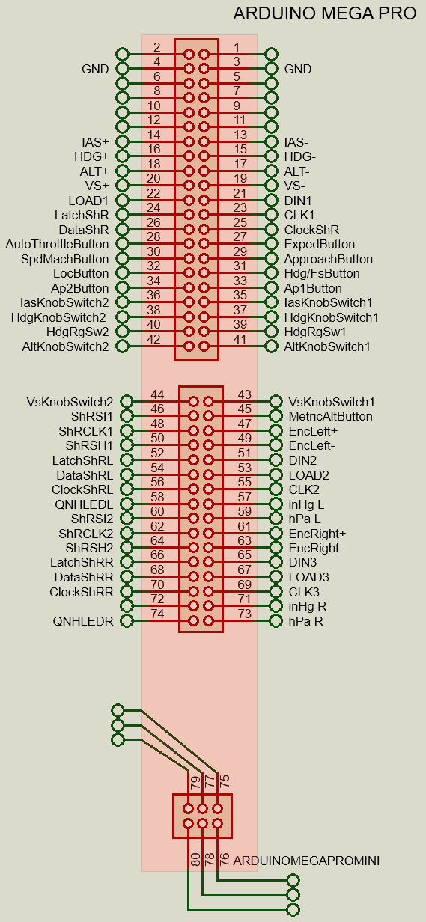
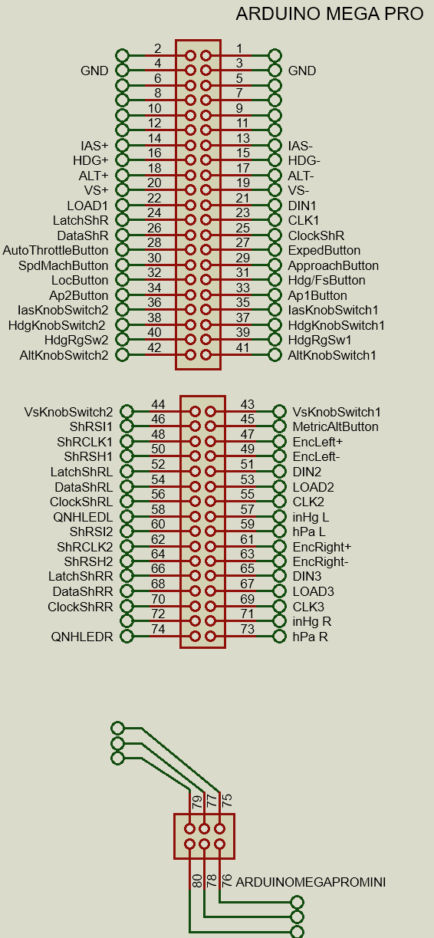
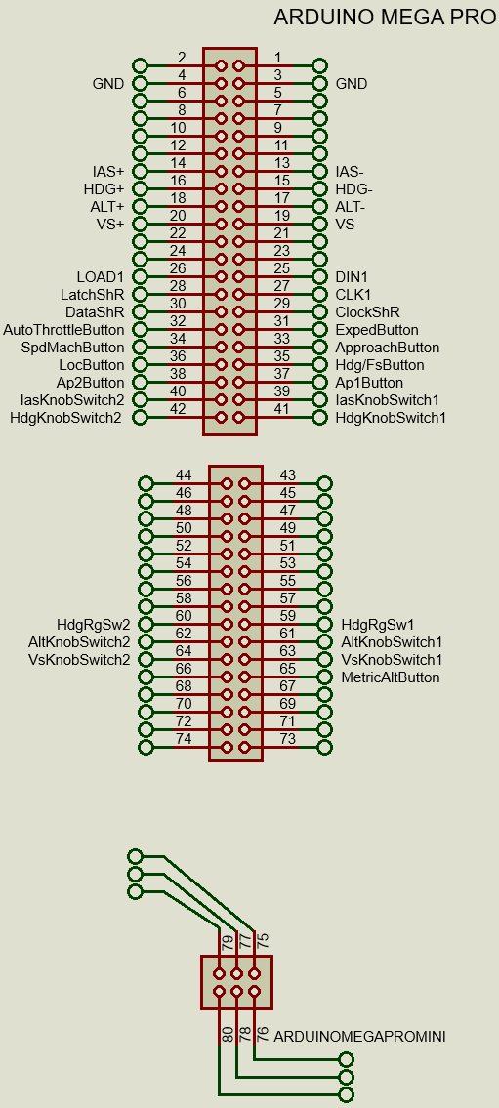

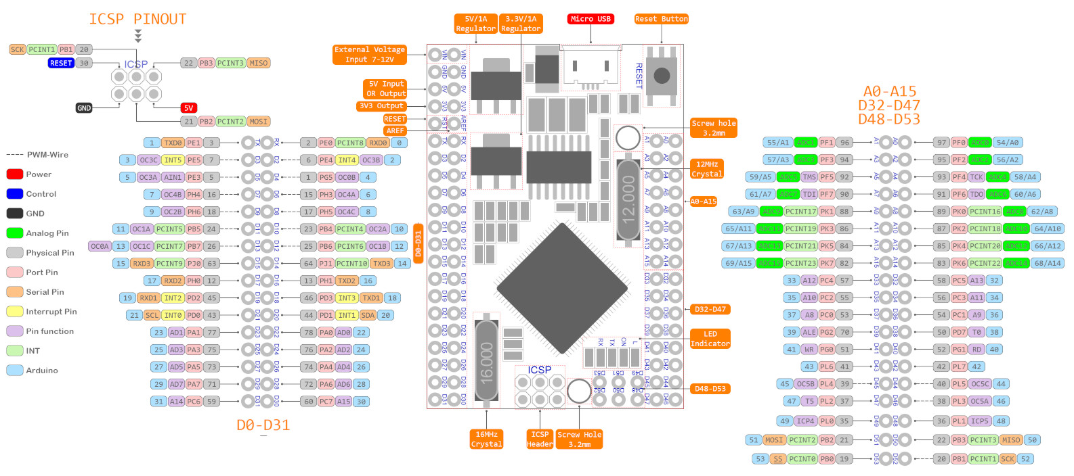

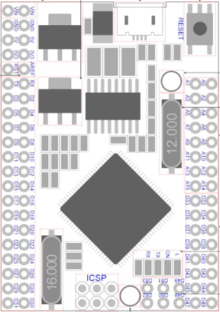

GND |  |  |  |  | GND

 |  |  |  |  |  |  |  |  | VsKnobSwitch2 | <--- | A1 | A0 | ---> | VsKnobSwitch1
IAS+ | <--- | D3 | D2 | ---> | IAS- |  |  |  | ShRSI1 | <--- | A3 | A2 | ---> | MetricAltButton
HDG+ | <--- | D5 | D4 | ---> | HDG- |  |  |  | ShRCLK1 | <--- | A5 | A4 | ---> | EncLeft+
ALT+ | <--- | D7 | D6 | ---> | ALT- |  |  |  | ShRSH1 | <--- | A7 | A6 | ---> | EncLeft-
VS+ | <--- | D9 | D8 | ---> | VS- |  |  |  | LatchShRL | <--- | A9 | A8 | ---> | DIN2
LOAD1 | <--- | D11 | D10 | ---> | DIN1 |  |  |  | SataShRL | <--- | A11 | A10 | ---> | LOAD2
LatchShR | <--- | D13 | D12 | ---> | CLK1 |  |  |  | ClockShRL | <--- | A13 | A12 | ---> | CLK2
DataShR | <--- | D15 | D14 | ---> | ClockShR |  |  |  | QNHLEDL | <--- | A15 | A14 | ---> | inHg L
AutoThrottleButton | <--- | D17 | D16 | ---> | ExpedButton |  |  |  | ShRSI2 | <--- | D33 | D32 | ---> | hPa L
SpdMachButton | <--- | D19 | D18 | ---> | ApproachButton |  |  |  | ShRCLK2 | <--- | D35 | D34 | ---> | EncRight+
LocButton | <--- | D21 | D20 | ---> | Hdg/FsButton |  |  |  | ShRSH2 | <--- | D37 | D36 | ---> | EncRight-
Ap2Button | <--- | D23 | D22 | ---> | Ap1Button |  |  |  | LatshShRR | <--- | D39 | D38 | ---> | DIN3
IasKnobSwitch2 | <--- | D25 | D24 | ---> | IasKnobSwitch1 |  |  |  | DataShRR | <--- | D41 | D40 | ---> | LOAD3
HdgKnobSwitch2 | <--- | D27 | D26 | ---> | HdgKnobSwitch1 |  |  |  | ClockShRR | <--- | D43 | D42 | ---> | CLK3
HdgRgSw2 | <--- | D29 | D28 | ---> | HdgRgSw1 |  |  |  |  | <--- | D45 | D44 | ---> | inHgR
AltKnobSwitch2 | <--- | D31 | D30 | ---> | AltKnobSwitch1 |  |  |  | QNHLEDR | <--- | D47 | D46 | ---> | hPa R

 |  |  |  |  |  | D53 | D51 | D49
 |  |  |  |  |  | D52 | D50 | D48

 |  |  |  |  |  | Pins D48 - D53 are free to use for other things
 |  |  |  |  |  | Pins A3 - D46 are used for Left and Right EFIS when added
 |  |  |  |  |  | I suggest you don't solder these pins beneath the arduino but on top so you can
Shift register outputs |  |  |  |  |  | use these I/O for other purposes on you simulator

Latch Shift Register Pin |  | D17
Clock Shift Register Pin |  | D18
Data Shift Register Pin |  | D19

Output 0 |  | FPA LED
Output 1 |  | TRK1 LED
Output 2 |  | HDG1 LED
Output 3 |  | LAT LED
Output 4 |  | TRK LED
Output 5 |  | HDG LED
Output 6 |  | MACH LED
Output 7 |  | SPD LED
Output 8 |  | APPR LED
Output 9 |  | DOT3 LED
Output 10 |  | DOT2 LED
Output 11 |  | DOT1 LED
Output 12 |  | FPA1 LED
Output 13 |  | VS1 LED
Output 14 |  | ALT LED
Output 15 |  | VS LED
Output 16 |  | EXPED LED
Output 17 |  | A/T LED
Output 18 |  | AP2 LED
Output 19 |  | AP1 LED
Output 20 |  | LOC LED

