Sheet1
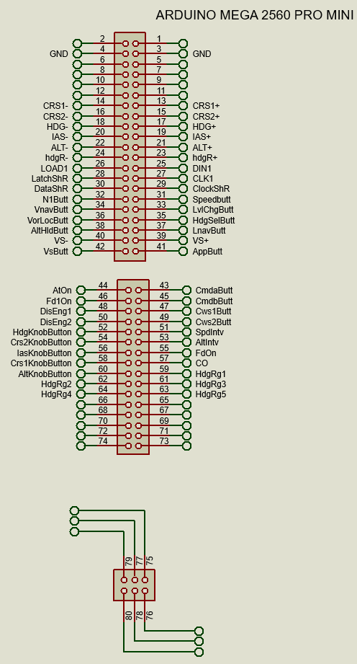
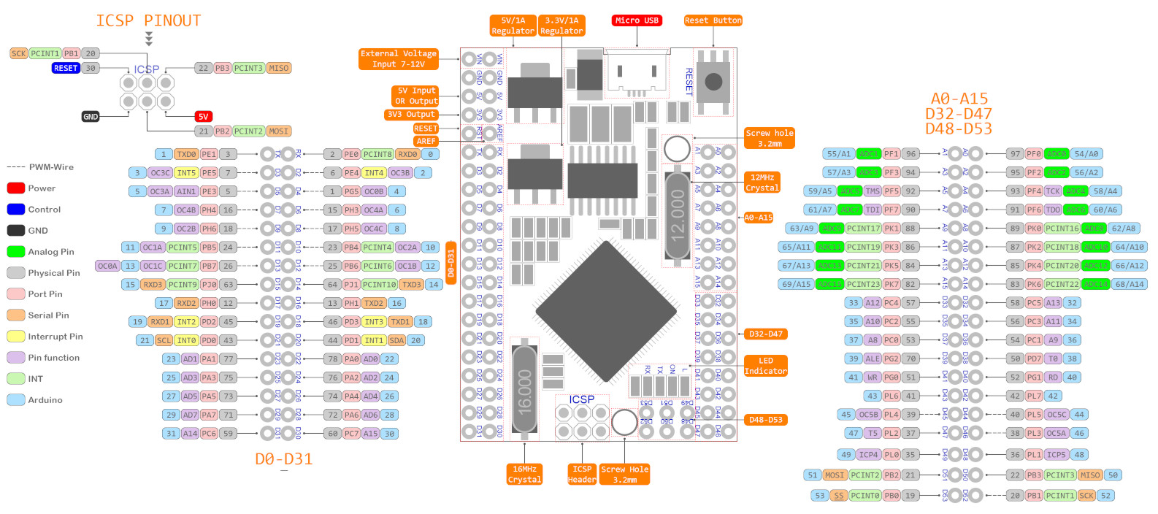

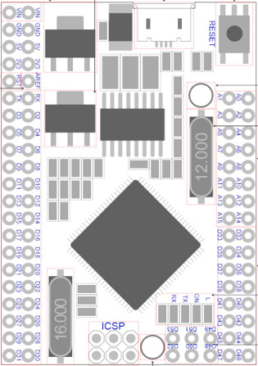

GND |  |  |  |  | GND

 |  |  |  |  |  |  |  |  | AtOn | <--- | A1 | A0 | ---> | CmdaButt
CRS1- | <--- | D3 | D2 | ---> | CRS1+ |  |  |  | Fd1On | <--- | A3 | A2 | ---> | CmdbButt
CRS2- | <--- | D5 | D4 | ---> | CRS2+ |  |  |  | DisEng1 | <--- | A5 | A4 | ---> | Cws1Butt
HDG- | <--- | D7 | D6 | ---> | HDG+ |  |  |  | DisEng2 | <--- | A7 | A6 | ---> | Cws2Butt
IAS- | <--- | D9 | D8 | ---> | IAS+ |  |  |  | HdgKnobButton | <--- | A9 | A8 | ---> | SpdIntv
ALT- | <--- | D11 | D10 | ---> | ALT+ |  |  |  | Crs2KnobButton | <--- | A11 | A10 | ---> | AltIntv
hdgR- | <--- | D13 | D12 | ---> | hdgR+ |  |  |  | IasKnobButton | <--- | A13 | A12 | ---> | FdOn
LOAD1 | <--- | D15 | D14 | ---> | DIN1 |  |  |  | Crs1KnobButton | <--- | A15 | A14 | ---> | CO
LatchShR | <--- | D17 | D16 | ---> | CLK1 |  |  |  | AltKnobButton | <--- | D33 | D32 | ---> | HdgRg1
DataShR | <--- | D19 | D18 | ---> | ClockShR |  |  |  | HdgRg2 | <--- | D35 | D34 | ---> | HdgRg3
N1Butt | <--- | D21 | D20 | ---> | SpeedButt |  |  |  | HdgRg4 | <--- | D37 | D36 | ---> | HdgRg5
VnavButt | <--- | D23 | D22 | ---> | LvlChgButt |  |  |  |  | <--- | D39 | D38 | --->
VorLocButt | <--- | D25 | D24 | ---> | HdgSelButt |  |  |  |  | <--- | D41 | D40 | --->
AltHldButt | <--- | D27 | D26 | ---> | LnavButt |  |  |  |  | <--- | D43 | D42 | --->
VS- | <--- | D29 | D28 | ---> | VS+ |  |  |  |  | <--- | D45 | D44 | --->
VsButt | <--- | D31 | D30 | ---> | AppButt |  |  |  |  | <--- | D47 | D46 | --->

 |  |  |  |  |  | D53 | D51 | D49
 |  |  |  |  |  | D52 | D50 | D48

 |  |  |  |  |  | Pins D38 - D53 are free to use for other things
 |  |  |  |  |  | I suggest you don't solder these pins beneath the arduino but on top so you can
 |  |  |  |  |  | use these I/O for other purposes on you simulator

Shift register outputs

Latch Shift Register Pin |  | D17
Clock Shift Register Pin |  | D18
Data Shift Register Pin |  | D19

Output 0 |  | Cws2Led
Output 1 |  | Cws1Led
Output 2 |  | CmdbLed
Output 3 |  | CmdaLed
Output 4 |  | VsLed
Output 5 |  | AltHldLed
Output 6 |  | LnavLed
Output 7 |  | VorLocLed
Output 8 |  | AppLed
Output 9 |  | HdgSelLed
Output 10 |  | VnavLed
Output 11 |  | LvlChgLed
Output 12 |  | SpeedLed
Output 13 |  | N1Led
Output 14 |  | FD Led / FD1 Led
Output 15 |  | A/T Led

